4.2variaveis
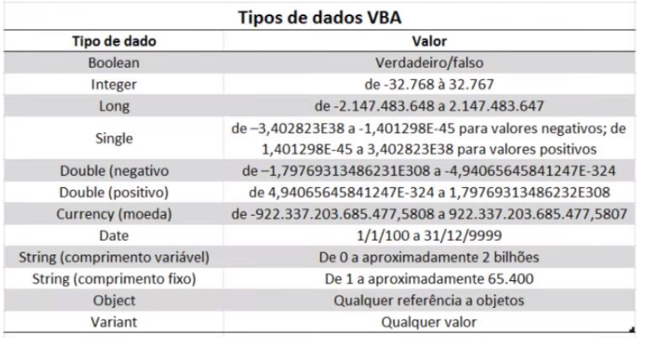
Nome | Idade | Data de nascimento

